Page 1
Le Coq Sportif Minka snow boots |  |  |  |  | 36 | 37 | 38 | 39 | 40 | 41 | 42

IMAGE | MODEL | take-all price total stock | Retail price | ARTICLE |  |  |  |  |  |  |  | TOT
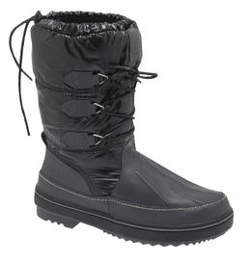 | MOONBOOT MINKA (BLACK) | 10 | € 119.95 | 01040633.25Y |  |  |  |  | 21 | 2 |  | 23
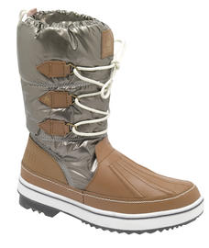 | MOONBOOT MINKA (TAUPE GREY) | 10 | € 119.95 | 01040633.6BW | 5 | 2 |  |  | 41 | 4 | 1 | 53
 | MOONBOOT MINKA (DARK SHADOW) | 10 | € 119.95 | 01040633.7ZW | 5 | 25 | 72 | 32 | 83 | 41 |  | 258
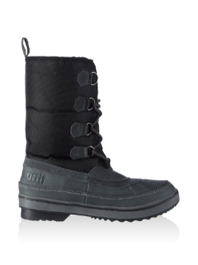 | MOONBOOT DEAN (BLACK) NO SHOEBOX | 10 | € 119.95 | 01040633.7ZW |  |  |  |  |  |  | 16 | 16
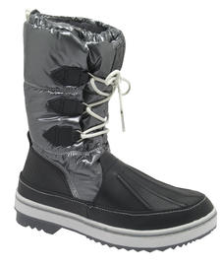 | MOONBOOT MINKA (DARK SHADOW) NO SHOEBOX | 10 | € 119.95 | 01040633.7ZW |  | 3 | 12 | 16 | 20 | 11 |  | 62
 |  |  |  |  |  |  |  |  |  |  |  | 412

